ReadME
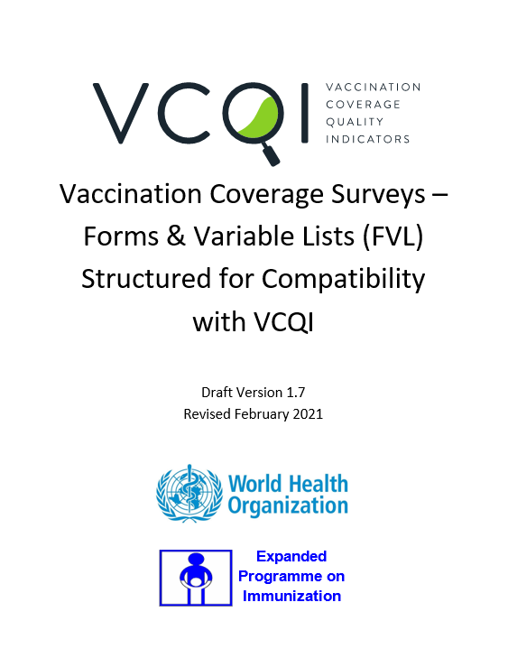
This spreadsheet is meant to accompany the VCQI Forms and Variables Lists (FVL) Document.

The file holds one (gray) tab per VCQI dataset, listing the variables from the FVL and whether each is required in VCQI.

The file holds one (green) tab per VCQI indicator and lists the input variables (and datasets) that are required to calculate the indicator.

The information in the FVL document should provide enough information for you to make your dataset compatible with VCQI but the information listed here may be of some assistance, too.

Send questions or comments to Dale Rhoda at Biostat Global Consulting (Dale.Rhoda@biostatglobal.com) and Carolina Danovaro at the World Health Organization (danovaroc@who.int).

Version 1.0
Updated February 2021

